Strategy 1
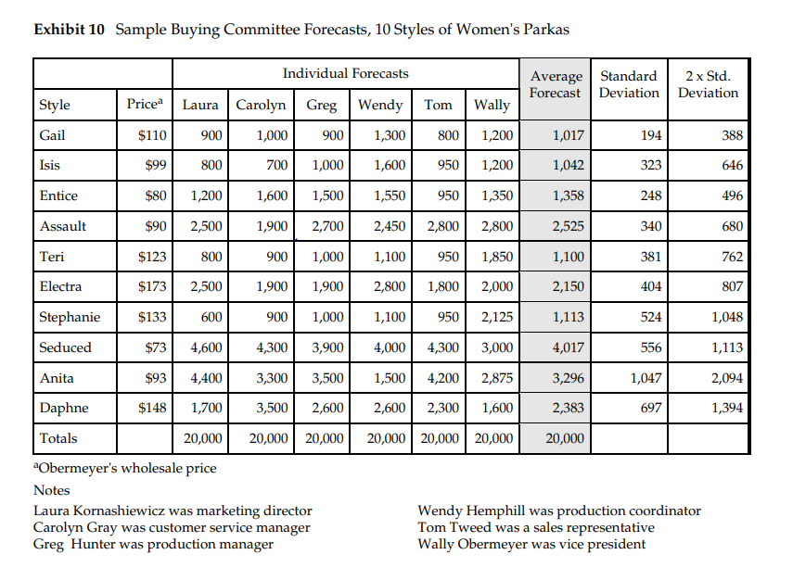
Style | Average Forecast | Standard Deviation (SD) of Individual Forcasts | 2 x SD | Q* | Sales | Leftover | Profit | Maximum Profit | Mismatch Tax | Expected Profit | Theoretical Formula

Gail | 1017 | 194 | 388 | 1278.7020231 | 1017 | 261.70202308 | 25103.681792 | 27459 | 4438.7031673 | 23020.296833 | 23020.296833
Isis | 1042 | 323 | 646 | 1477.7203786 | 1042 | 435.72037863 | 24212.516592 | 28134 | 7390.2119743 | 20743.788026 | 20743.788026
Entice | 1358 | 248 | 496 | 1692.5469161 | 1358 | 334.5469161 | 33655.077755 | 36666 | 5674.2184818 | 30991.781518 | 30991.781518
Assault | 2525 | 340 | 680 | 2983.6530301 | 2525 | 458.65303013 | 64047.122729 | 68175 | 7779.1704993 | 60395.829501 | 60395.829501
Teri | 1100 | 381 | 762 | 1613.9611896 | 1100 | 513.96118965 | 25074.349293 | 29700 | 8717.2469419 | 20982.753058 | 20982.753058
Electra | 2150 | 404 | 807 | 2694.3132284 | 2150 | 544.31322841 | 53151.180944 | 58050 | 9232.0449896 | 48817.95501 | 48817.95501
Stephanie | 1113 | 524 | 1048 | 1819.8652582 | 1113 | 706.86525821 | 23689.212676 | 30051 | 11989.074534 | 18061.925466 | 18061.925466
Seduced | 4017 | 556 | 1113 | 4767.707092 | 4017 | 750.70709197 | 101702.63617 | 108459 | 12732.671714 | 95726.328286 | 95726.328286
Anita | 3296 | 1047 | 2094 | 4708.3815369 | 3296 | 1412.3815369 | 76280.566168 | 88992 | 23955.269155 | 65036.730845 | 65036.730845
Daphne | 2383 | 697 | 1394 | 3323.2387118 | 2383 | 940.23871177 | 55878.851594 | 64341 | 15947.299524 | 48393.700476 | 48393.700476
Total | 20001 |  |  | 26360.089365 |  |  | 482795.19572 |  |  | 432171.08902 | 432171.08902

Values common to all styles

Selling Price | 112.5 | Mean of Selling Prices of all styles
Cost Price | 85.5 | Mean of Cost Prices of all styles

Profit | 24% | of wholesale price
Loss | 8% | of wholesale price

Cu | 27
Co | 9

Salvage Value | 76.5

Theoretical Formula
Expected profit from ordering Q units
$$=\left(p−s\right)μNORM.DIST\left(\frac{Q−μ}{σ},0,1,1\right) −\left(p−s\right)σNORM.DIST\left(\frac{Q−μ}{σ},0,1,0\right)$$
$−Q\left(c−s\right)NORM.DIST\left(Q,μ,σ,1\right)+Q\left(p−c\right)[1−NORM.DIST\left(Q,μ,σ,1\right)]$
CSL* | 0.75

Strategy 2
Style | Average Forecast | Standard Deviation (SD) of Individual Forcasts | 2 x SD | Manual Q => | Manual Q taking care of MOQ | Modified CSL | Sales | Leftover | Profit | Maximum Profit | Mismatch Tax | Expected Profit | Expected Profit Theoretical

Gail | 1017 | 194 | 388 | 605.41875265 | 605.41875265 | 0.14439576248 | 605.41875265 | 0 | 16346.306322 | 27459 | 3174.6810454 | 24284.318955 | 15311.126445
Isis | 1042 | 323 | 646 | 356.73843869 | 600 | 0.24692111812 | 600 | 0 | 16200 | 28134 | 7341.5692048 | 20792.430795 | 12787.439627
Entice | 1358 | 248 | 496 | 831.8549003 | 831.8549003 | 0.14439576248 | 831.8549003 | 0 | 22460.082308 | 36666 | 4058.3551508 | 32607.644849 | 21136.75958
Assault | 2525 | 340 | 680 | 1803.6720407 | 1803.6720407 | 0.14439576248 | 1803.6720407 | 0 | 48699.1451 | 68175 | 5563.8739971 | 62611.126003 | 46884.912327
Teri | 1100 | 381 | 762 | 291.68837505 | 600 | 0.25585802466 | 600 | 0 | 16200 | 29700 | 8824.1605248 | 20875.839475 | 11981.283919
Electra | 2150 | 404 | 807 | 1293.9534366 | 1293.9534366 | 0.14439576248 | 1293.9534366 | 0 | 34936.742787 | 58050 | 6603.0092877 | 51446.990712 | 32783.675365
Stephanie | 1113 | 524 | 1048 | 1.3063215952 | 600 | 0.31224252651 | 600 | 0 | 16200 | 30051 | 13351.877315 | 16699.122685 | 8614.6176644
Seduced | 4017 | 556 | 1113 | 2836.3558549 | 2836.3558549 | 0.14439576248 | 2836.3558549 | 0 | 76581.608082 | 108459 | 9106.7525864 | 99352.247414 | 73612.135912
Anita | 3296 | 1047 | 2094 | 1074.734196 | 1074.734196 | 0.14439576248 | 1074.734196 | 0 | 29017.823292 | 88992 | 17133.459044 | 71858.540956 | 23431.053548
Daphne | 2383 | 697 | 1394 | 904.2776835 | 904.2776835 | 0.14439576248 | 904.2776835 | 0 | 24415.497454 | 64341 | 11405.941694 | 52935.058306 | 20696.32027
Total | 20001 |  |  | 10000 | 11150.266865 |  |  |  | 301057.20535 |  |  | 453463.32015 | 267239.32466
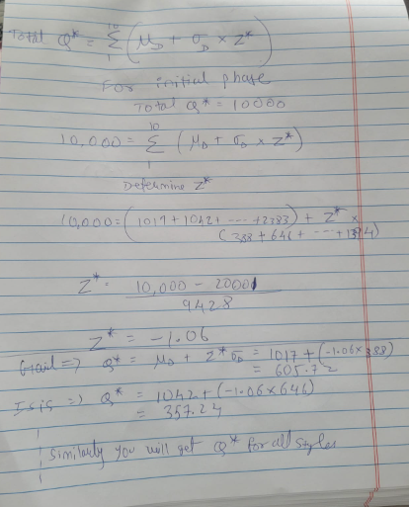
Values common to all styles

Selling Price | 112.5 | Mean of Selling Prices of all styles
Cost Price | 85.5 | Mean of Cost Prices of all styles

Profit | 24% | of wholesale price
Loss | 8% | of wholesale price

Cu | 27
Co | 9

Salvage Value | 76.5

CSL* | 0.75

Keeping all constraints in mind
But here we are assuming that Z score will be common for all styles because SP and CP is same hence Cu and Co is same hence Z Score and CSL

Modified Z Score | -1.0607764107
Modified CSL | 0.14439576248

